Introduction
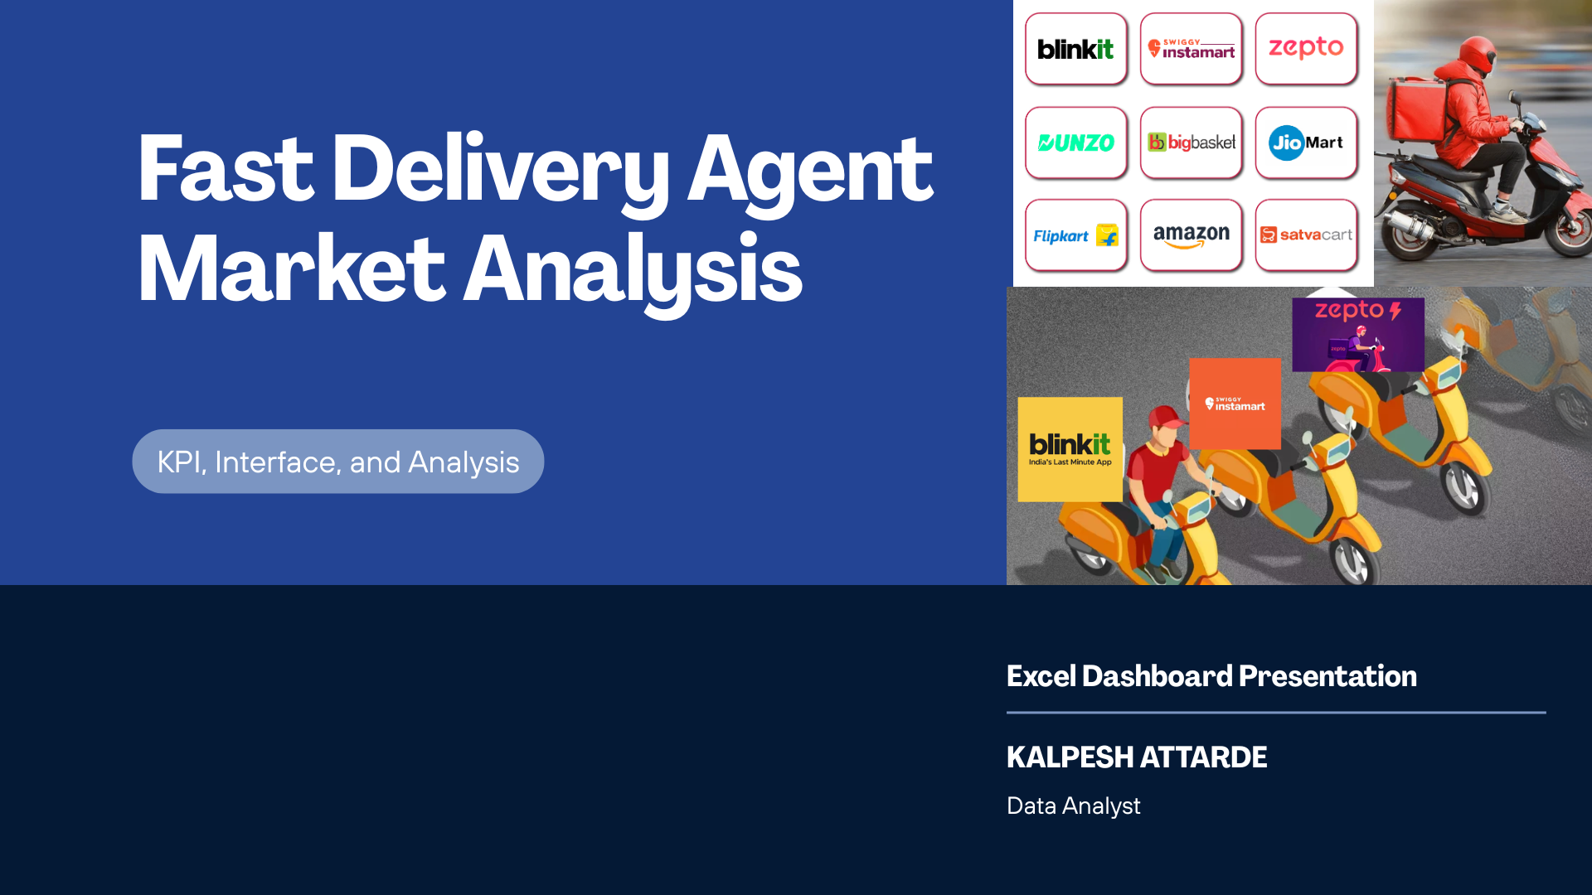

KPI's
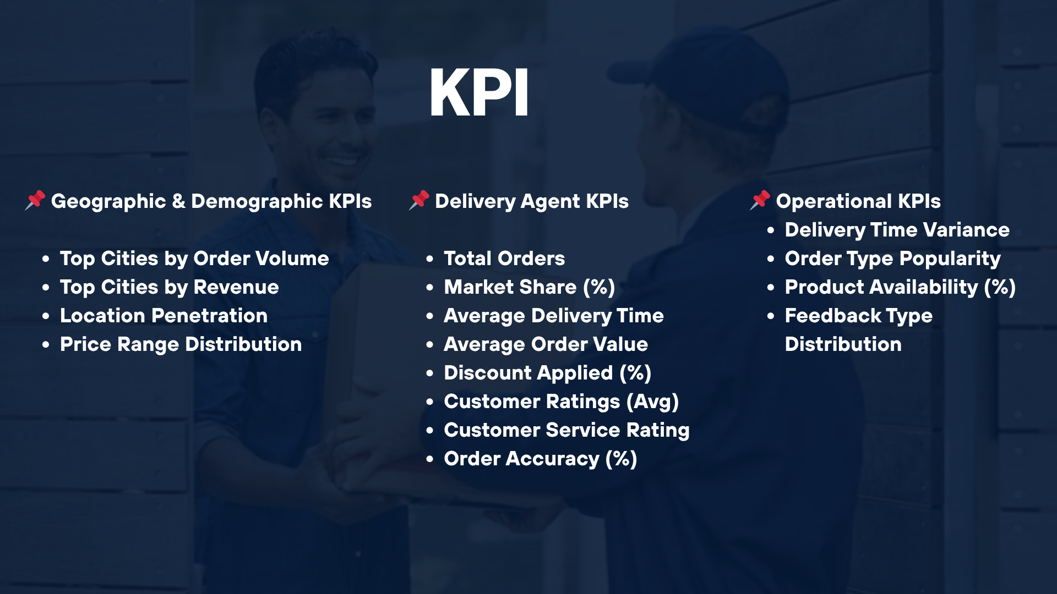

Dashboard
FAST DELIVERY AGENT MARKET ANALYSIS

Market Share
Order's by Location

 | Total
Blinkit | 1246
JioMart | 209
Swiggy Instamart | 646
Zepto | 940
 | Total
Ahmedabad | 296
Bengaluru | 311
Chennai | 287
Delhi | 320
Hyderabad | 301
Jaipur | 285
Kolkata | 298
Lucknow | 296
Mumbai | 331
Pune | 316

21.7/min
Revenue by Delivery Agents
Average Delivery:-
Category wise orders
 | Total
Blinkit | 10.0
JioMart | 50.9
Swiggy Instamart | 35.8
Zepto | 20.9
 | Total
Blinkit | ₹ 1,556,562.00
JioMart | ₹ 269,729.00
Swiggy Instamart | ₹ 769,259.00
Zepto | ₹ 1,138,089.00
 | Total
Electronics | 621
Essentials | 626
Food | 613
Grocery | 595
Pharmacy | 586

KPI results
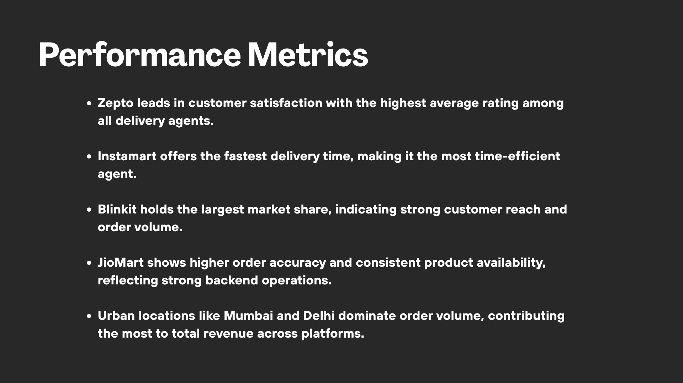

key insights
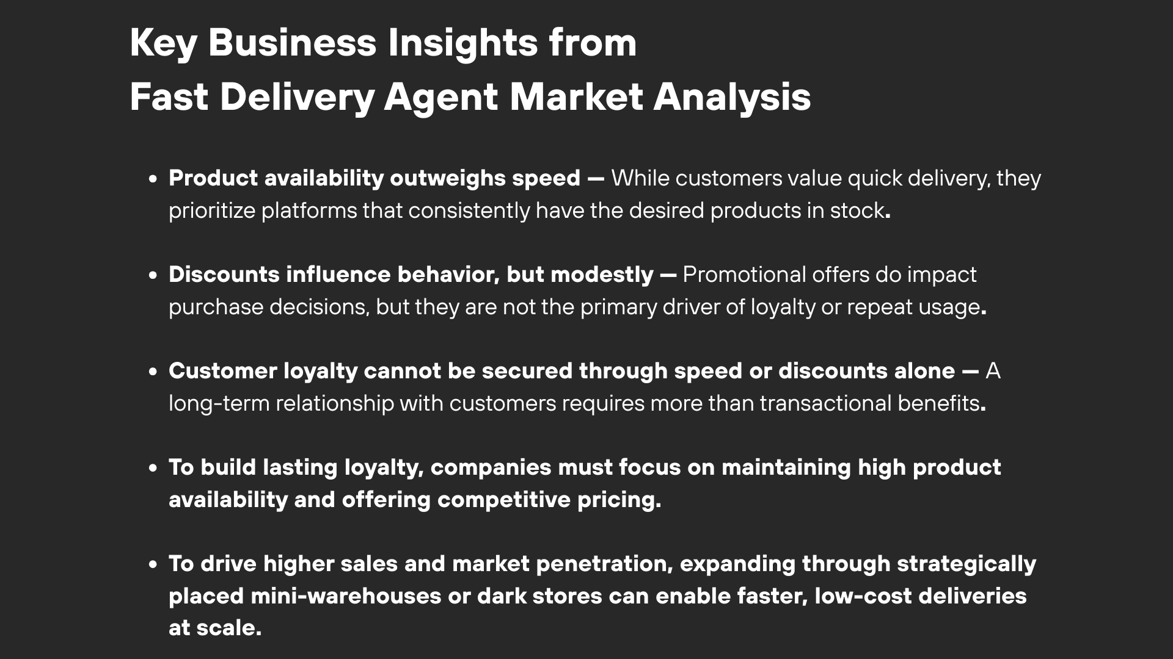

Ending
Thank you!
-By Kalpesh Attarde

